Metadata
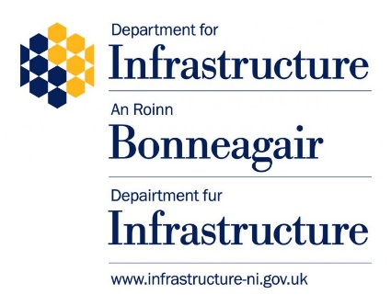
Renewable energy planning applications list, April 2002 to March 2025

Description: List of planning applications for single wind turbines, wind farms and solar farms by status (decided, withdrawn or live at 31 March 2025), April 2002 to December 2024. Data for 2024/25 are now finalised and will not be subject to futher scheduled revisions.
Coverage: Northern Ireland
Time period: 1 April 2002 to 31 March 2025
Date provided: 26 June 2025
Contact: ASRB@nisra.gov.uk

Source: Northern Ireland & Mid Ulster Planning Portals, Northern Ireland Planning Statistics

The most recent published data and quality information can be found at:
www.infrastructure-ni.gov.uk/articles/planning-activity-statistics

© Crown copyright 2025
You may re-use this information (excluding logos) free of charge in any format or medium, under the terms of the Open Government Licence v.3.
Internet link: Open Government Licence

